Analysis
Cost split 1 | Basis | ∑ | Wert
Machine cost | 0.00 | 0.59 | 0.5934 | 0.5934
Set-up costs | 0.59 | 0.69 | 0.0920 | 0.0920
Labour Costs | 0.69 | 1.22 | 0.5324 | 0.5324
Tool costs | 1.22 | 1.22 | 0.0000 | 0.0000
Wear tool costs | 1.22 | 1.22 | 0.0000 | 0.0000
Scrap added value | 1.22 | 1.23 | 0.0113 | 0.0113
Production overheads | 1.23 | 1.40 | 0.1705 | 0.1705
Manufacturing costs | 0.00 | 1.40 | 1.3996 | 1.3996
Direct material costs | 1.40 | 17.02 | 15.6247 | 15.6247
Scrap material | 17.02 | 17.18 | 0.1562 | 0.1562
Indirect material | 17.18 | 17.32 | 0.1346 | 0.1346
Material costs | 1.40 | 17.32 | 15.9156 | 15.9156
Production costs | 0.00 | 17.32 | 17.3152 | 17.3152
SG&A | 17.32 | 19.05 | 1.7304 | 1.7304
Profit | 19.05 | 20.07 | 1.0208 | 1.0208
Other | 20.07 | 20.07 | 0.0000 | 0.0000
Price | 0.00 | 20.07 | 20.0663 | 20.0663

Cost split 2 | Basis | ∑ | Wert
Machine costs incl. scrap | 0.00 |  | 0.7933 | 0.7933
Labour Costs | 0.79 |  | 0.6062 | 0.6062
Material costs incl. scrap | 1.40 |  | 15.9156 | 15.9156
Production costs | 0.00 |  | 17.3152 | 17.3152
SG&A | 17.32 |  | 1.7304 | 1.7304
Profit | 19.05 |  | 1.0208 | 1.0208
Other | 20.07 |  | 0.0000 | 0.0000
Price | 0.00 |  | 20.0663 | 20.0663

Cost split 3 | Basis | ∑ | Wert
Category 1 | 0.00 |  |  | 0.0000
Category 2 | 0.00 |  |  | 0.0000
Category 3 | 0.00 |  |  | 0.0000
Overhead | 0.00 |  | 2.7512 | 2.7512
Other | 2.75 |  | 0.0000 | 0.0000
Price | 0.00 |  | 2.7512 | 2.7512

Info
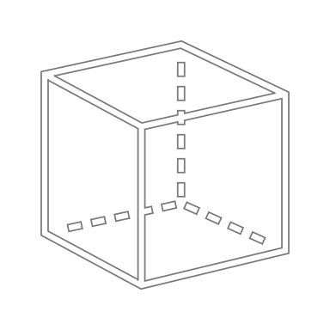
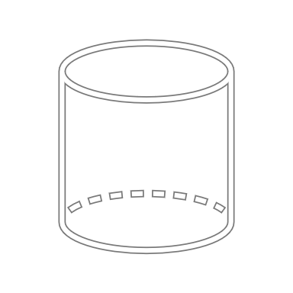
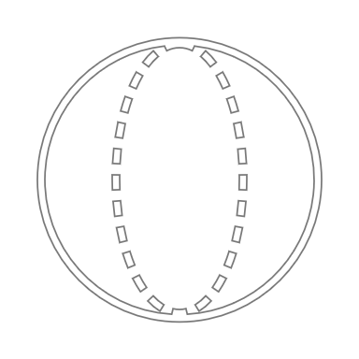
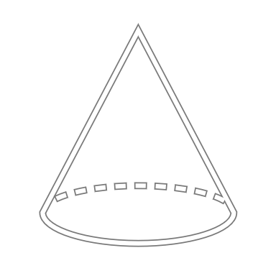
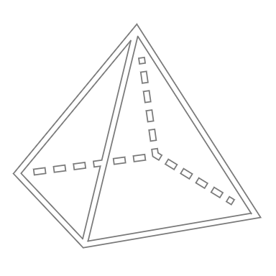

x
z
y
Quader
z
Ø außen
Zylinder
z
Ø außen
Ø innen
Hohlzylinder
z ist immer in Werkzeugöffnungs-
richtung zu wählen
Ø außen
Kugel
z
Ø außen
Kegel
z
Pyramide
x
y
x
y
t
Blech
 | 1 | 2 | 3 | 4 | 5 | 6 | 7 | 8 | 9 | 10 | 11 | 12 | 13 | 14 | 15 | 16 | 17
 |  |  |  |  | Dimensions in mm
 | Part | Shape | Material | Density in kg/dm³ | x | y | z | t | Ø outer | Ø inner | Correction factor | Surface area in mm² | Proj. area in mm² | Volume in mm³ | Mass in g | Mass in kg | Notes
 | Bauteil | Form | Material | Dichte | x | y | z | t | Ø außen | Ø innen | Faktor | Oberfläche | Proj. Fläche | Volumen | Masse in g | Masse | Anmerkungen
 |  |  |  | [Input] | 0 | 0 | 0 | 0 | 0 | 0 | 100% | 0 | 0 | 0 | 0 | 0.00
 |  |  | 0 | [Input] | 0 | 0 | 0 | 0 | 0 | 0 | 100% | 0 | 0 | 0 | 0 | 0.00
 |  |  | 0 | [Input] | 0 | 0 | 0 | 0 | 0 | 0 | 100% | 0 | 0 | 0 | 0 | 0.00
 |  |  | 0 | [Input] | 0 | 0 | 0 | 0 | 0 | 0 | 100% | 0 | 0 | 0 | 0 | 0.00

 | Label Rolle | 967.74 | mm² | 0.000014222 | €
 |  | 1 | mm² | 1.47E-08 | €

Main | Label (25 x 20) mm | 500 | mm² | 7.35E-06 | €

